1. Title Page
[Project Name]

Project Name: Instacart Basket Analysis
Date: April 2024
Analyst Name: Rose Alappat Joy

Contents:
Population Flow
Consistency checks
Wrangling steps
Column derivations
Visualizations
Recommendations

Data Citation : The dataset titled "The Instacart Online Grocery Shopping Dataset 2017" was accessed from www.instacart.com/datasets/grocery-shopping-2017. It's important to note that both customer data and the "prices" column in the products dataset were fabricated specifically for the purpose of this course.

2. Population Flow
Title page

Population flow

Exclusion flag
Condition: max_order < 5
Obervations to be removed: 1440295
Final total count of order_products_all: 32404859

Orders_products_combined
Orders_products_merged
Orders_products_all

Total: 32404859
Total: 32434489
Total: 32404859

1.) The grey boxes in the first row of the population flow represent the original data sets as they were when you downloaded them. In the Total fields you need to add the count of the rows when you imported the data set into Jupyter.
2.) The second row of boxes (coloured) represents the data sets after you manipulated them, e.g., removed missing values and duplicates. In the Total fields you need to add the count of the rows after conducting these operations. This offers a visual oveview of how the data flows throughout the data consistency checks.
3.) The third row, where also the arrows are coloured, represents the merges you performed between the datasets. In the Total fields you need to add the count of the rows in the merged datasets, so that you end up with the final dataset (in the red box). Keep in mind the final dataset should be without exclusions (based on the exclusion flag).

3. Consistency checks
 |  |  |  | Title page
Consistency checks

Dataset | Missing values | Missing values treatment | Duplicates
orders | 206209 missing values for days_since_prior_order collumn | No action was required to address the missing values as the cell remained empty. This is because it was the consumer's initial order, and it will remain empty until they place their second order. | No duplicates
products | 16 missing values in 'product_name' collumn | Removed the missing values because they are less than 5% and shouldn't have an impact on the analysis. | 5 duplicates deleted
orders_products_prior | No missing values | No missing values | No duplicates
customers | 11259 missing values in 'first_name' collumn | There is no action required because first name and second name shouldn't be included in the dataset due to PII. | No duplicates

4. Wrangling steps
 |  |  |  |  | Title page
Wrangling steps

Data Set | Clumns dropped | Columns renamed | Columns' type changed | Comment/Reason
Orders | eval_set |  |  | Not needed for the analysis
Orders |  | order_dow |  | Changed the collumn name to "orders_day_of_week" due to unclear naming
Orders |  |  | orders_id | Changed data type to string
Orders |  |  | user_id | Changed data type to string
orders_products_combined | _merge |  |  | Not needed for the analysis
customers |  | Surnam |  | Typo renamed to surname
customers |  | fam_status |  | Unclear naming. Renamed to marital_status
customers |  | n_dependants |  | Unclear naming. Renamed to dependants
customers |  | STATE |  | Inconsistent naming. Renamed to State
customers |  | First Name |  | Inconsistent naming. Renamed to first_name
ords_prods_merge | aisle_id |  |  | Not needed for the analysis
small |  |  |  | 30 % sample of ords_prods_merge was taken due to computational efforts

5. Column derivations
 |  |  |  | Title page

Column derivations and aggregations

In this tab you should add tables below that the frequences of flags/label variables that you produced after deriving them. NB: don't do this for continuous variables, only for flags.
Dataset | New column | Column/s it was derived from | Conditions
ords_prods_merge | price_range_loc | prices | ords_prods_merge.loc[ords_prods_merge['prices'] > 15, 'price_range_loc'] = 'High-range product' ords_prods_merge.loc[(ords_prods_merge['prices'] <= 15) & (df['prices'] > 5), 'price_range_loc'] = 'Mid-range product' ords_prods_merge.loc[ords_prods_merge['prices'] <= 5, 'price_range_loc'] = 'Low-range product'
ords_prods_merge | busiest_day | orders_day_of_week | for value in ords_prods_merge["orders_day_of_week"]: if value == 0: result.append("Busiest day") elif value == 4: result.append("Least busy") else: result.append("Regularly busy")
ords_prods_merge | busiest_days | orders_day_of_week | for value in ords_prods_merge["orders_day_of_week"]: if value == 0 or value == 1: result_2.append("Busiest days") elif value == 3 or value == 4: result_2.append("slowest_days") else: result_2.append("Regularly busy")
ords_prods_merge | busiest_period_of_day | order_hour_of_day | for value in ords_prods_merge["order_hour_of_day"]: if value in [10, 11, 14, 15, 13, 12, 16, 9]: result_3.append("most_orders") elif value in [17, 8, 18, 19, 20, 7, 21, 22]: result_3.append("average_orders") else: result_3.append("fewest_orders")
ords_prods_merge | max_order | user_id and number_of_orders | ords_prods_merge['max_order'] = ords_prods_merge.groupby(['user_id'])['number_of_orders'].transform(np.max)
ords_prods_merge | loyalty_flag | max_order and user_id | ords_prods_merge.loc[ords_prods_merge['max_order'] > 40, 'loyalty_flag'] = 'Loyal customer' ords_prods_merge.loc[(ords_prods_merge['max_order'] <= 40) & (ords_prods_merge['max_order'] > 10), 'loyalty_flag'] = 'Regular customer' ords_prods_merge.loc[ords_prods_merge['max_order'] <= 10, 'loyalty_flag'] = 'New customer'
ords_prods_merge | mean_product_price | user_id and prices | ords_prods_merge['mean_price'] = ords_prods_merge.groupby(['user_id'])['prices'].transform(np.mean)
ords_prods_merge | spending_flag | mean_price | ords_prods_merge.loc[ords_prods_merge['mean_price'] < 10, 'spending_flag'] = 'low_spender' ords_prods_merge.loc[ords_prods_merge['mean_price'] >= 10, 'spending_flag'] = 'high_spender'
ords_prods_merge | median_days_since_between_orders | user_id and days_since_prior_order | ords_prods_merge['median_days_since_prior_order'] = ords_prods_merge.groupby(['user_id'])['days_since_prior_order'].transform(np.median)
ords_prods_merge | order_frequency | median_days_since_pror_order | ords_prods_merge.loc[ords_prods_merge['median_days_since_prior_order'] > 20, 'frequency_flag'] = 'Non-frequent customer' ords_prods_merge.loc[(ords_prods_merge['median_days_since_prior_order'] <= 20) & (ords_prods_merge['median_days_since_prior_order'] > 10), 'frequency_flag'] = 'Regular customer' ords_prods_merge.loc[ords_prods_merge['median_days_since_prior_order'] <= 10, 'frequency_flag'] = 'Frequent customer'
ords_prods_merge | region | state | ords_prods_merge['region'] = 'West' ords_prods_merge.loc[ords_prods_merge['state'].isin(['Maine', 'New Hampshire', 'Vermont', 'Massachusetts', 'Rhode Island', 'Connecticut', 'New York', 'Pennsylvania', 'New Jersey']), 'region'] = 'Northeast' ords_prods_merge.loc[ords_prods_merge['state'].isin(['Wisconsin', 'Michigan', 'Illinois', 'Indiana', 'Ohio', 'North Dakota', 'South Dakota', 'Nebraska', 'Kansas', 'Minnesota', 'Iowa', 'Missouri']), 'region'] = 'Midwest' ords_prods_merge.loc[ords_prods_merge['state'].isin(['Delaware', 'Maryland', 'District of Columbia', 'Virginia', 'West Virginia', 'North Carolina', 'South Carolina', 'Georgia', 'Florida', 'Kentucky', 'Tennessee', 'Mississippi', 'Alabama', 'Oklahoma', 'Texas', 'Arkansas', 'Louisiana']), 'region'] = 'South'
ords_prods_merge | Customer_activity | order_number | ords_prods_merge.loc[ords_prods_merge['order_number'] < 5, 'customer_activity'] = 'low_activitycustomers' ords_prods_merge.loc[ords_prods_merge['order_number'] >= 5, 'customer_activity'] = 'high_activity customer'
ords_prods_merge | Income | Income | Low( <= 25093); Medium-Low(> 25093 & <=67124); Medium(> 67124 & <=96663); Upper-Medium (> 96663 & <=127961) & High (> 127961& <=593901)
ords_prods_merge | Age | age | customer placed into profile according to age [young adult(<=25), adult (>25 & <=40), middle aged (>40 & <=60), senior(>60)];
ords_prods_merge | customer_profile | Age ,income | ords_prods_merge.loc[(ords_prods_merge['Age'] >= 18) & (ords_prods_merge['Age'] <= 40) & (ords_prods_merge['income'] >= 25903) & (ords_prods_merge['income'] <= 67124), 'customer_profile'] = 'low-income yound adult' ( Like these 12 groups are created with different age groups and income)

6. Visualizations & Recommendat
Title page

Visualisations

1. The sales team needs to know what the busiest days of the week and hours of the day are (i.e., the days and times with the most orders) in order to schedule ads at times when there are fewer orders.


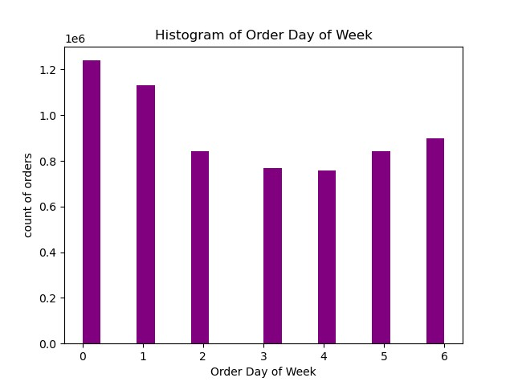
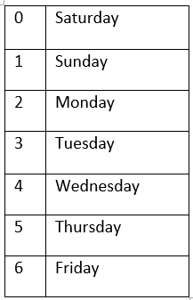

Recommendation: It is suggested that the sales team concentrates on advertising during periods when fewer customers are active, particularly from 5 p.m. to 11 p.m. Avoiding excessive advertising during the busiest days, such as Saturday and Sunday, may lead to increased order quantities. Additionally, running additional advertisements on weekdays (Monday to Friday) could be beneficial

2. The sales team is interested in identifying specific times of the day when customers tend to spend the most money. This information could help determine the type of products to advertise during these peak spending periods.

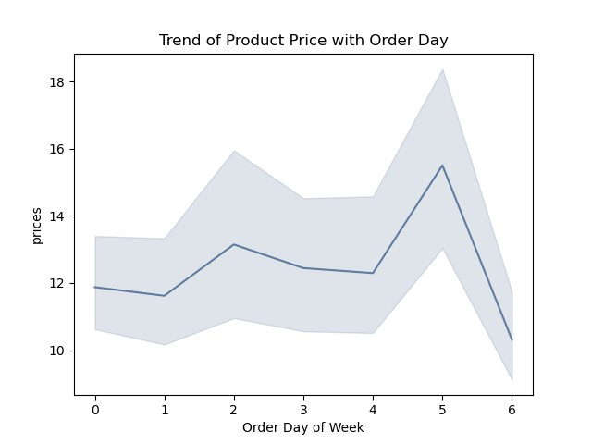
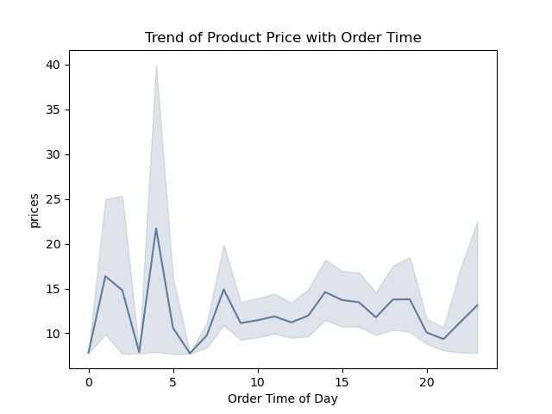

Recommendation : The findings indicate that the period from around 3 am to 5 am sees the highest average price per order, with a subsequent gradual decrease in average prices until approximately 10 am. Following this, there is a slight uptick leading up to 7 pm

3. Instacart aims to simplify its product price range groupings to streamline marketing and sales efforts, facilitating more focused strategies.

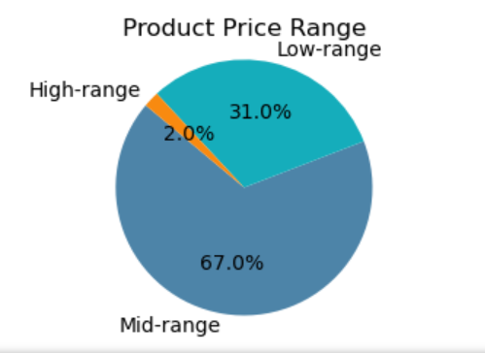

Recommendation : The proposed method for establishing price range categories entails dividing products into three tiers: low (below $5), mid (ranging from $5 to $15), and high (above $15). Considering that midrange products account for more than 60% of sales, focusing primarily on this segment should be the key objective for the sales team.

4. Are there certain types of products that are more popular than others? The marketing and sales teams want to know which departments have the highest frequency of product orders.

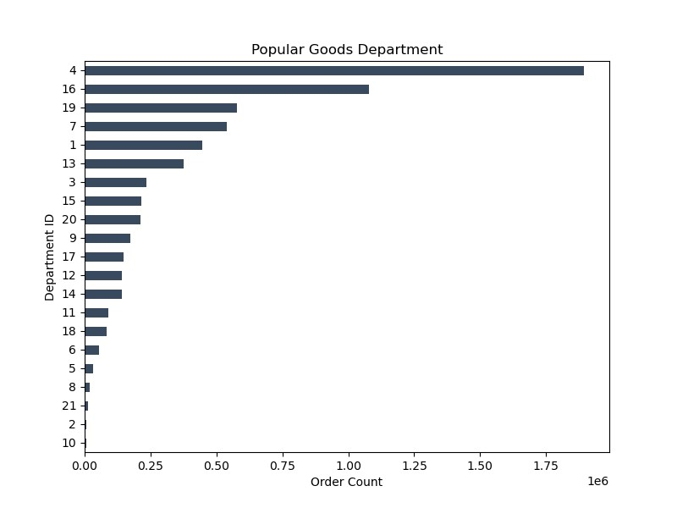

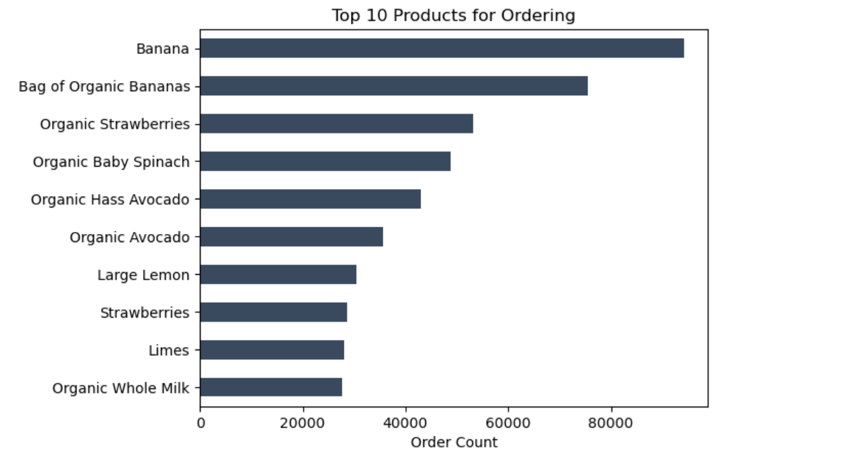

Recommendation : Prioritize departments such as produce, dairy, and eggs, as they contribute the most to the top 5 departments' sales. Following these, include snacks, drinks, and frozen items. Provide a list of the top 10 products to order, encompassing items from the produce, dairy, and eggs departments.

5. What’s the distribution among users in regards to their brand loyalty (i.e., how often do they return to Instacart)?

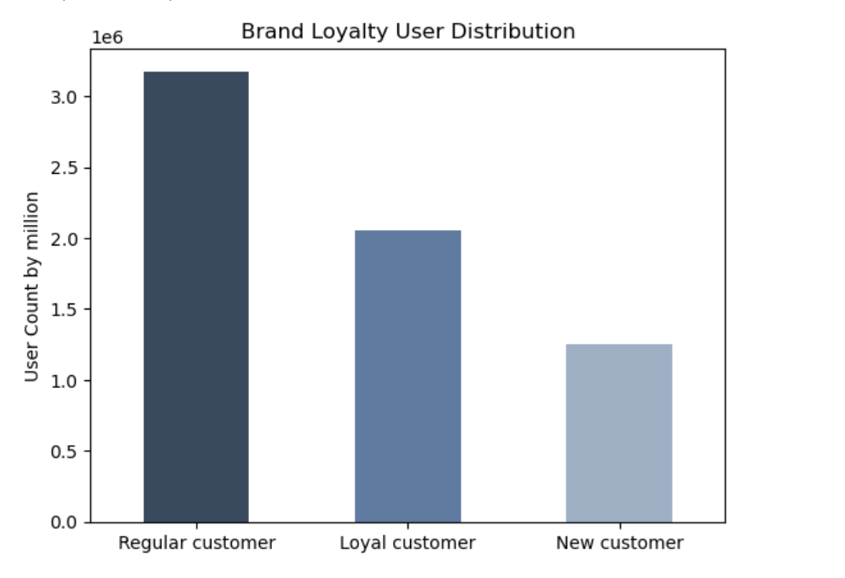
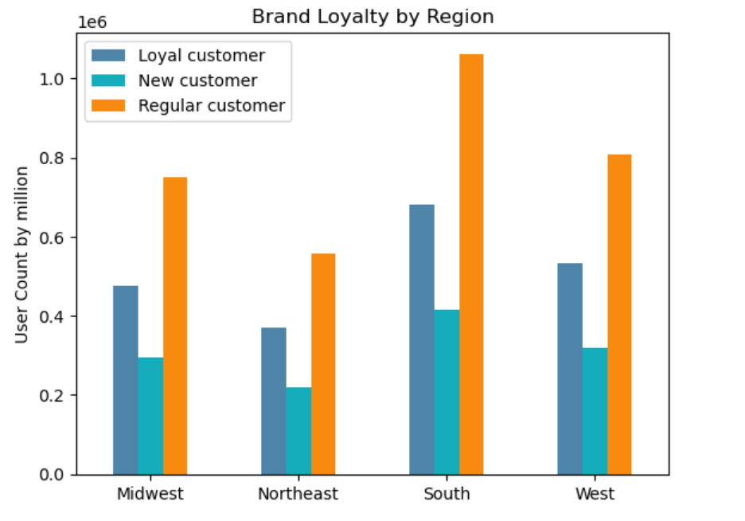

Recommendation: Most of our customers (51%) shop every 10.1 to 20 days, while loyal ones (10 days or less) make up 33%.This distribution suggests that most of our customers shop 2 to 3 times per month. There should be incentives for customers who place 4 orders per month. This would increase the amount of loyal customers. Furthermore, there should be a loyalty program created to incentivize loyal customers to remain loyal.The region south is having more customer base ,so focussing more on the will be a beneficial to our business.New customers should also receive a coupon code after their first purchase to encourage them to continue shopping. We should also be offering referral incentives to all customers to continue growing our customer base.

6. Are there differences in ordering habits based on a customer’s loyalty status?

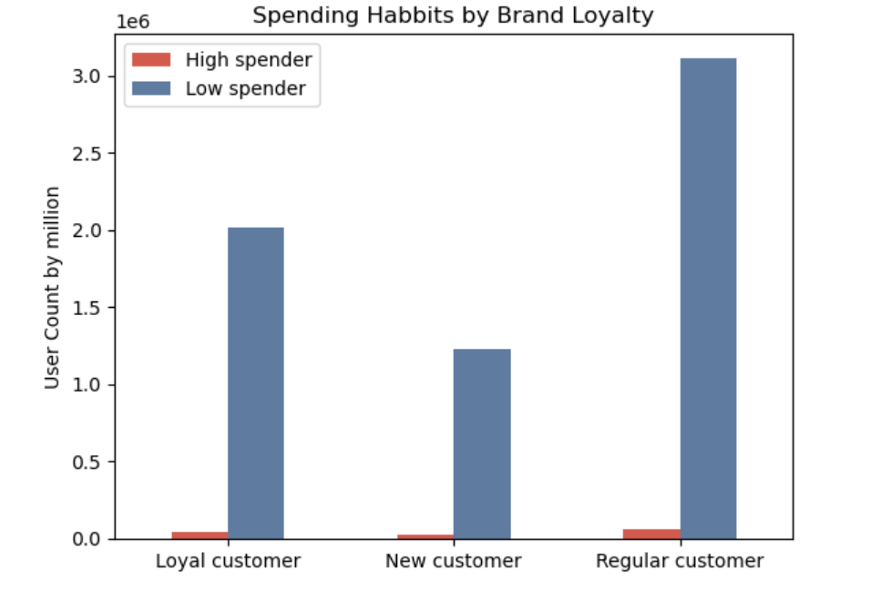
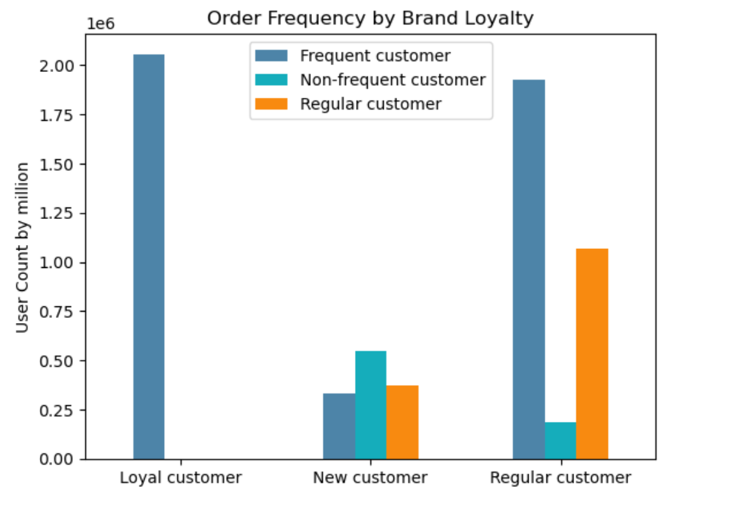

Recommendations : Loyal customers tend to have higher order frequencies and spending compared to new and regular customers. Additionally, the distribution of frequent and non-frequent customers within each loyalty category suggests varying levels of engagement and purchase behavior among different customer segments.Implement personalized marketing campaigns based on customer loyalty status. Tailor promotional offers and product recommendations to match the purchasing behavior and preferences of loyal, new, and regular customers.

orders_day_of_week
7. Are there differences in ordering habits based on a customer’s region?
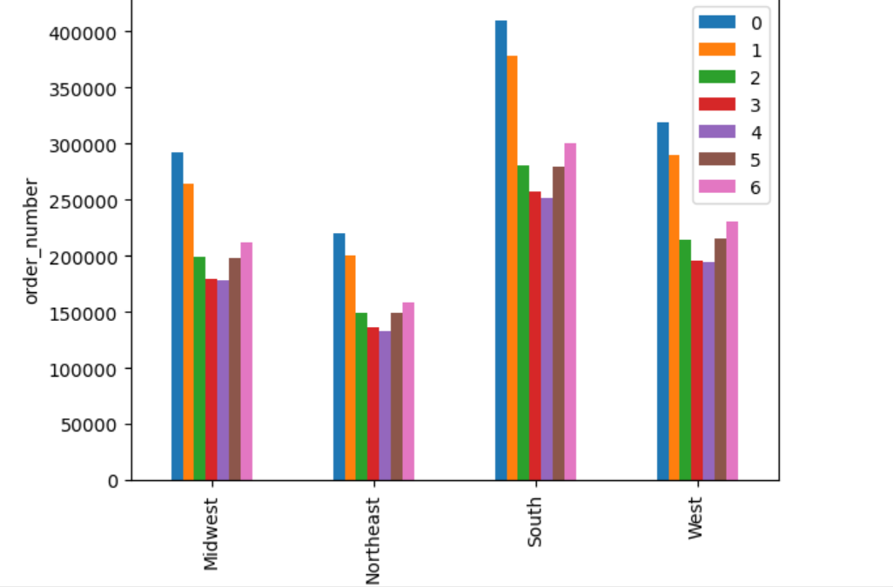
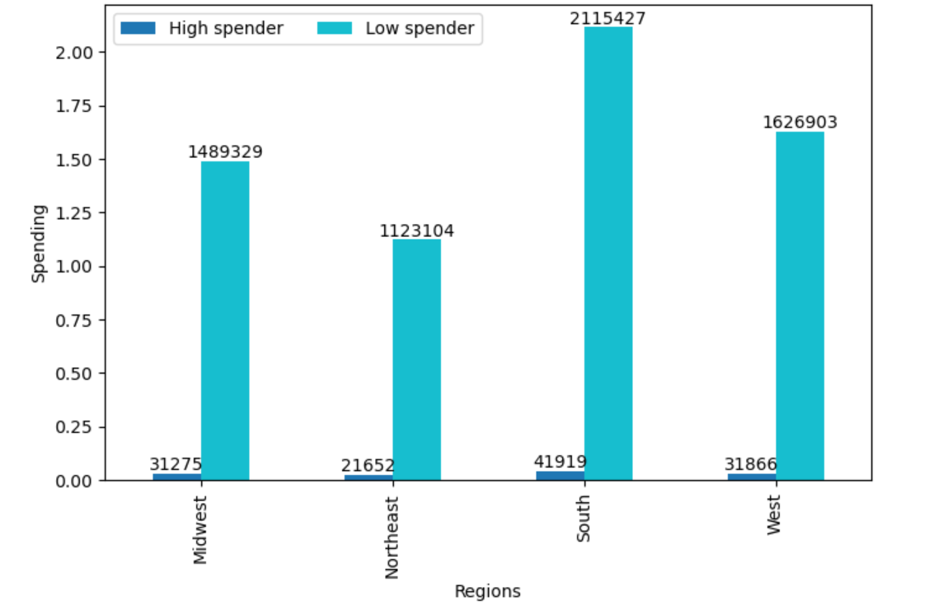

Recommendation : Across all regions, there's an even distribution between customers who spend more and those who spend less. Weekends typically experience the highest number of orders, while Wednesdays see the fewest. Additionally, late-night and early-morning hours consistently represent the times of highest and lowest order activity in all regions.

8. Is there a connection between age and family status in terms of ordering habits?

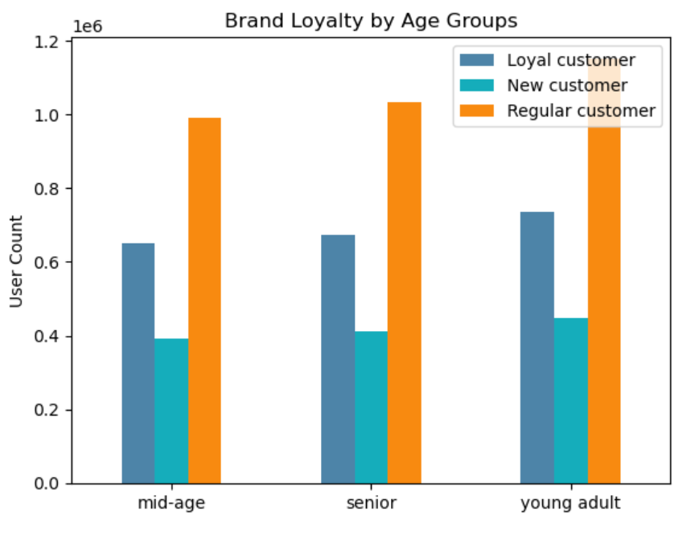
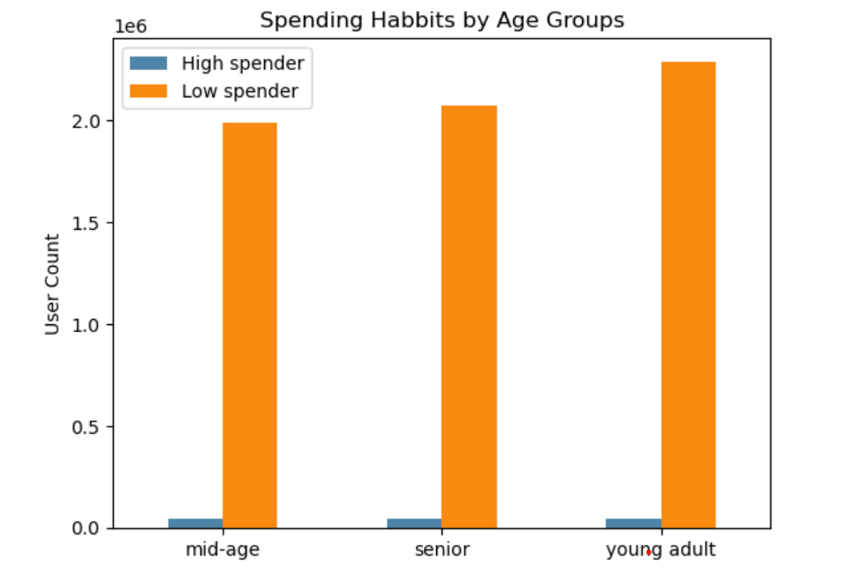

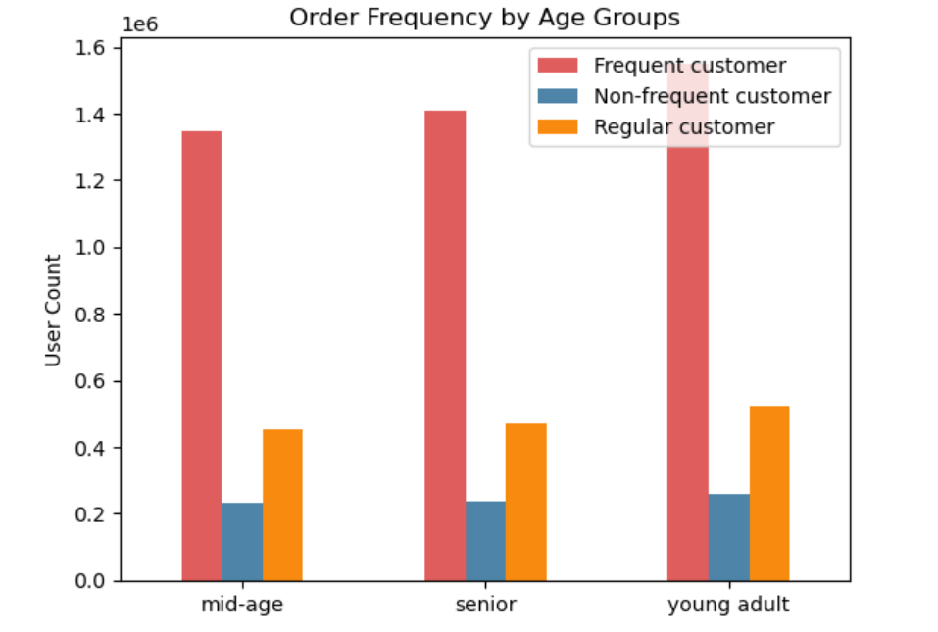
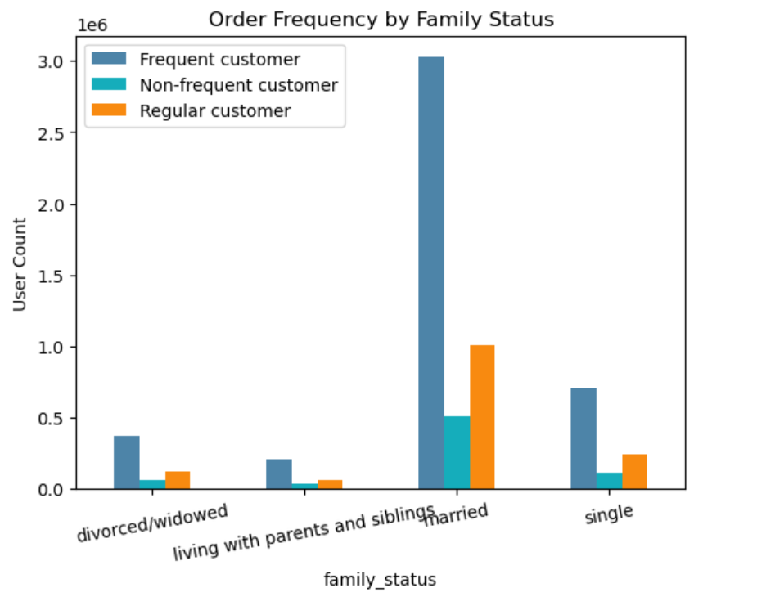

Recommendation : A significant portion, 70.2%, of our clientele is married. Thus, our primary focus should be on this demographic. The frequency of orders placed varies slightly depending on both age and marital status. The group with the lowest order frequency consists of individuals living with parents and siblings, while the highest comprises singles and young adults. To effectively target potential customers who are also married, we should tailor our advertisements to resonate with a similar demographic, leveraging this advantage on our platform

9.What different classifications does the demographic information suggest?



Recommendation: The demographic analysis reveals a slight positive correlation between age and income, suggesting that as individuals age, their income tends to increase, which is a predictable trend. The most significant observation is the substantial rise in income within the upper age bracket of the Adult group (40 years and older) compared to the Middle-Aged group (41 years to 49 years). I propose that we target more middle-aged adults who are not currently utilizing the platform to expand within this demographic. The data indicates that they possess the necessary income to make regular purchases.

10. What differences can you find in ordering habits of different customer profiles?

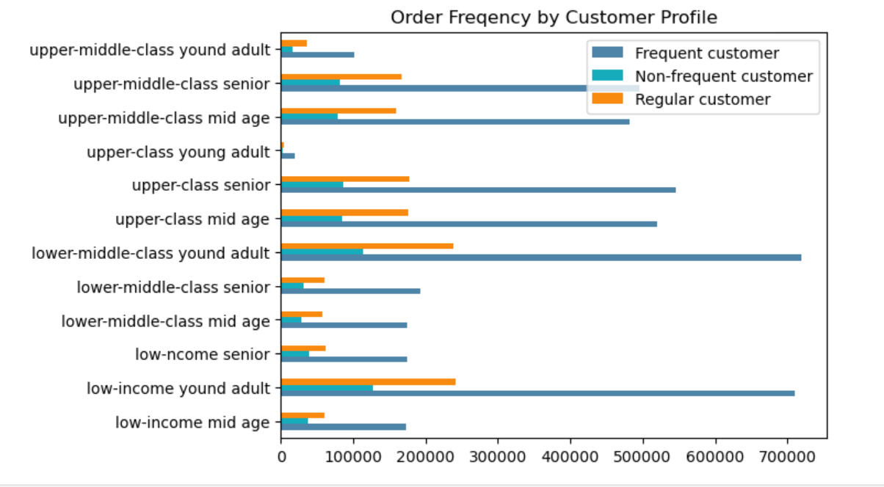
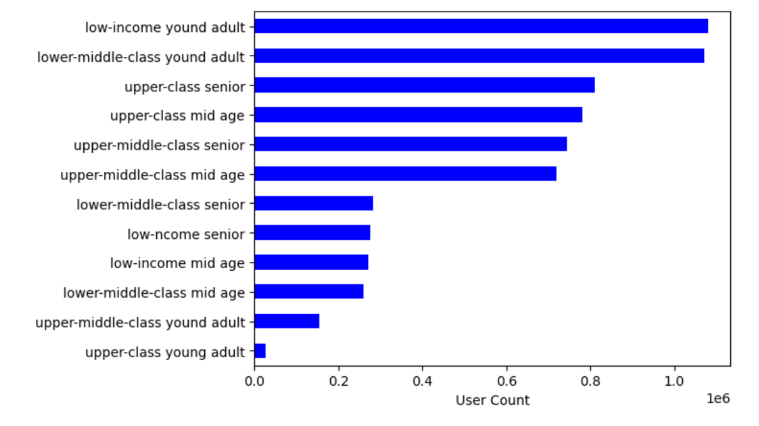

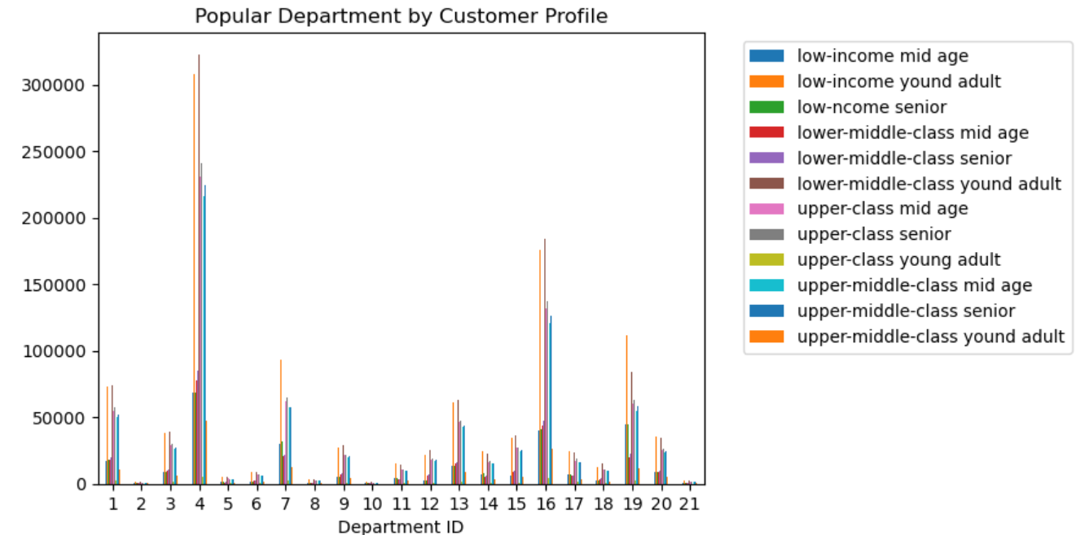

Recommendation Tailor marketing campaigns based on the identified customer profiles. For instance, focus advertising efforts towards upper-middle-class young adults, upper-middle-class seniors, and upper-class individuals who are identified as frequent customers.The department -produces dairy, eggs, and snacks, which are in high demand among various customer profiles. explore opportunities to optimize the inventory and assortment within these popular departments to meet the demands of the targeted customer segments more effectively.

